Sheet1
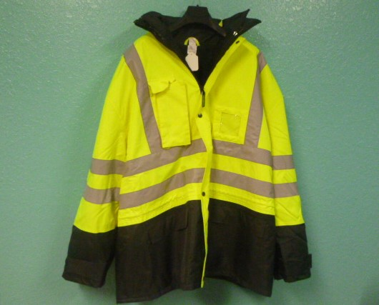
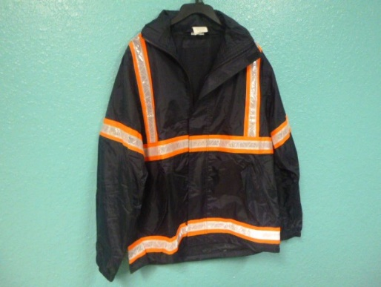

ITEM NUMBER | DESCRIPTION | QUANTITY
INC-6006-D | Yellow 2 IN 1 Jacket-Hi Viz-PVC Coated-Size XL | 4
INC-6009-A | Orange L/W Jacket-ANSI Class2 PVC Coat-Size Small | 173
INC-6009-B | Orange L/W Jacket-ANSI Class2 PVC Coat-Size Medium | 57
INC-6009-D | Orange L/W Jacket-ANSI Class2 PVC Coat-Size XL | 136
INC-6010-A | Orange 2 IN 1 Jacket-Hi Viz-PVC Coated-Size Small | 59
INC-6010-B | Orange 2 IN 1 Jacket-Hi Viz-PVC Coated-Size Medium | 190
INC-6010-C | Orange 2 IN 1 Jacket-Hi Viz-PVC Coated-Size Large | 44
INC-6010-D | Orange 2 IN 1 Jacket-Hi Viz-PVC Coated-Size XL | 144
INC-6012-16-D | Yellow 2 IN 1 Jacket-Hi Viz-PVC Coated- Size XL | 60
INC-6014-16-C | Yellow Winter Jacket-ANSI Class3 Waterproof-Size Large | 3
INC-6014-16-D | Yellow Winter Jacket-ANSI Class3 Waterproof-Size XL | 1
INC-6014-22-B | Orange Winter Jacket-ANSI Class3 Waterproof-Size Medium | 17
INC-6014-22-C | Orange Winter Jacket-ANSI Class3 Waterproof-Size Large | 4
INC-6014-22-D | Orange Winter Jacket-ANSI Class3 Waterproof-Size XL | 3
INC-6019-00-A | Black Full Zip Fleece Jacket-Size Small | 1
INC-6102-A | Navy Rain Jacket-PVC Coated-Orange Tipped Crystal Refl Tape-Size Small | 84
INC-6102-B | Navy Rain Jacket-PVC Coated-Orange Tipped Crystal Refl Tape-Size Med | 103
INC-6102-C | Navy Rain Jacket-PVC Coated-Orange Tipped Crystal Refl Tape-Size Large | 82
INC-6102-D | Navy Rain Jacket-PVC Coated-Orange Tipped Crystal Refl Tape -Size XL | 53
INC-6102-D | Navy Rain Jacket-PVC Coated-Orange Tipped Crystal Refl Tape -Size XL | 6
 | TOTAL: | 1224

